Fluxes
Data Source: 2020 Paper |  | IDs | Name | Pathway | Fluxes |  |  |  |  | SEM |  | Additional notes

from paper (short term fasting ~9hr, WT) |  | our model id's |  |  | μmol∙kg-1·min-1 |  |  | mmol/gDW*hr | mmol/l*hr |  | (mmol/(l*hr)) | https://www.ncbi.nlm.nih.gov/pmc/articles/PMC5249187/
EndoRa | Endogenous glucose production | GLCter+G6PPer+G6Pter |  |  | 85.9 |  |  |  | 0 | 2.6 | 0
PYGL | Flux from glycogen to G6P | GLPASE1+ PGMT + EX_glygn2_c |  |  | 27.6 |  |  |  | 0 | 2.8 | 0 | EX_glygn2_c may or may not be included, is this GLPase 1 + 2 or only 1
GK | Flux from glycerol to DHAP | ALCD19y+ EX_? |  |  | 6.2 |  |  |  | 0 | 3.1 | 0 | ## add ALCD19y and then exchange for boundary flux, create an exchange for Glycerol(all 3 are flux to glycerol)
Enol |  | GAPD+PGK+PGM+ ENO |  |  | 52.1 |  |  |  | 0 | 1.2 | 0
PCK | Flux from Oac to PEP | PEPCKm |  |  | 212.6 |  |  |  | 0 | 14.1 | 0 | PCK=PC+PCC
PC | Flux from Pyr to Oac | PCm |  |  | 190.4 |  |  |  | 0 | 13.5 | 0
PCC** (ignore for now) | Flux from PropCoA to SucCoA |  |  |  | 22.2 |  |  |  | 0 | 0.8 | 0 | **has issues with PropCoA, doesn't exist in model
LDH | Non-PEP derived, unlabeled sources of anaplerosis to Pyr | LDH_L |  |  | 82 |  |  |  | 0 | 2.5 | 0 | assuming that we're not including the amino acid degradation to pyruvate, only including lactate, check secretion rates for amino acids
PK+ME | Contribution of pyruvate kinase (PK) and malic enzyme (ME) to Pyr | ME2+ PYK |  |  | 108.4 |  |  |  | 0 | 12.7 | 0
CS | Flux from Oac and AcCoA to Cit | CSm |  |  | 85.6 |  |  |  | 0 | 5 | 0
SDH | Flux from SucCoA to Oac | SUCOASm+ Succinate dehydrogenase + FUMm + MDHm |  |  | 107.9 |  |  |  | 0 | 5.3 | 0 | check the biochem along with the OCOAT1m along with PCC ( may be connected), if not try only OCOAT1m , may cause issues

from paper (long term fasting ~20h, WT)
EndoRa |  |  |  |  | 73.3 |  |  |  | 0 | 5.2 | 0
PYGL |  |  |  |  | 2.1 |  |  |  | 0 | 1.4 | 0
GK |  |  |  |  | 19.5 |  |  |  | 0 | 2.3 | 0
Enol |  |  |  |  | 51.8 |  |  |  | 0 | 3.8 | 0
PCK |  |  |  |  | 229.6 |  |  |  | 0 | 26.9 | 0
PC |  |  |  |  | 203.8 |  |  |  | 0 | 25.7 | 0
LDH |  |  |  |  | 77.7 |  |  |  | 0 | 6.4 | 0
PK+ME |  |  |  |  | 126 |  |  |  | 0 | 19.5 | 0
CS |  |  |  |  | 72.7 |  |  |  | 0 | 7.9 | 0
SDH |  |  |  |  | 98.5 |  |  |  | 0 | 9.2 | 0
PCC |  |  |  |  | 25.9 |  |  |  | 0 | 1.4 | 0

Mouse Model Paper (Short Term Fasting 9 hr) |  |  |  |  | uxes (μmol∙kg-1·min-1) |  |  |  |  |  |  | https://journals.physiology.org/doi/full/10.1152/ajpendo.00003.2015
EndoRa |  |  |  |  | 75
PYGL |  |  |  |  | 20
GK |  |  |  |  | 8
Enol |  |  |  |  | 45
PK+ME |  |  |  |  | 40
LDH |  |  |  |  | 70
PC |  |  |  |  | 100
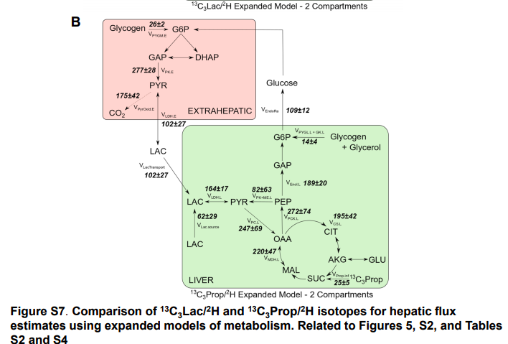
PCK |  |  |  |  | 120
CS |  |  |  |  | 75
PCC |  |  |  |  | 10
SDH |  |  |  |  | 90

Mouse Model Paper (Long Term Fasting 19 hr) |  |  |  |  |  |  |  |  |  |  |  | https://journals.physiology.org/doi/full/10.1152/ajpendo.00003.2015
EndoRa |  |  |  |  | 60
PYGL |  |  |  |  | N/A
GK |  |  |  |  | 10
Enol |  |  |  |  | 50
PK+ME |  |  |  |  | 85
LDH |  |  |  |  | 72
PC |  |  |  |  | 152
PCK |  |  |  |  | 180
CS |  |  |  |  | 52
PCC |  |  |  |  | 20
SDH |  |  |  |  | 75

Data Source: 2020 Paper
In Vivo Estimates of Liver Metbolic Flux (2020)
Expanded Model 13C3Prop/2H | Reactions | Correlated Reactions |  |  | prop tracer | lac tracer | mean - μmol/kg·min | mmol/gDW*hr |  | prop tracer error | lac tracer error
CS.L | Oac (ABCcdD) + AcCoA (EFfgh) --> Cit (DCcdBFfgEA) + H (h) | CSm |  |  | 195 | 183 | 189 | 0.002903191236 | 3662.1 | 42 | 28
Enol.L | PEP (ABC) --> BPG (ABC) | GAPD+PGK+PGM+ ENO |  |  | 189 | 191 | 190 | 0.002918552036 | 3549.42 | 20 | 20
PYG.L+GK.L | PEP (ABC) --> Pyr (ABC) , Combined flux from glycogen (VPYGL) and glycerol (0.5VGK) to endogenous glucose production in hexose units |  |  |  | 14 | 15 | 14.5 | 0.0002227316028 | 262.92 | 4 | 7
LDH.L | Lac (ABC) <-- --> Pyr (ABC) |  |  |  | 164 | 191 | 177.5 | 0.002726542034 | 3079.92 | 17 | 20
PC.L | Pyr (ABCcde) + CO2 (D) + H (f) + H (g) --> 0.5*Oac (ABCfgD) + 0.5*Oac (DCBfgA) + H (c) |  |  |  | 247 | 363 | 305 | 0.004685044058 | 4638.66 | 69 | 53
PCK.L | Oac (ABCabD) --> PEP (ABCab) + CO2 (D) |  |  |  | 272 | 363 | 317.5 | 0.00487705406 | 5108.16 | 74 | 59
PK+ME.L | PEP (ABCab) + H (c) --> Pyr (ABCabc) |  |  |  | 82 | 172 | 127 | 0.001950821624 | 1539.96 | 63 | 42
EndoRa | H6P (AaBbCcDdEeFfg) --> Glucose.P (AaBbCcDdEeFfg) |  |  |  | 109 | 110 | 109.5 | 0.001682007621 | 2047.02 | 12 | 12
LacTransport | Lac.P (ABC) --> Lac (ABC) |  |  |  | 102 | 127 | 114.5 | 0.001758811622 | 1915.56 | 27 | 13
Lac.source | Lac.source (ABaCbcd) -->Lac (ABaCbcd) |  |  |  | 62 | 64 | 63 | 0.000967730412 | 1164.36 | 29 | 13
MDH.L | Mal (ABCD) --> Oac (ABCD) |  |  |  | 220 | 183 | 201.5 | 0.003095201238 | 4131.6 | 47 | 28
Tracer.inf | the tracer; Prop.tracer (ABabCcde) --> PropCoA (ABabCcde) |  |  |  | 25 | 43 | 34 | 0.0005222672065 | 469.5 | 5 | 6

 |  |  |  |  |  |  |  |  |  |  |  | https://www.jci.org/articles/view/119644/pdf
Hepatic Gluconeogenic Fluxes and Glycogen Turnover during Fasting in Humans (11 hr fasting) |  |  |  |  | mg/kg*min
Glycogen --> Glucose |  |  |  |  | 0.27
Glycogen --> UDP - Glc |  |  |  |  | 0.64
Glc --> UDP-Glc |  |  |  |  | 0.17
G6P/G1P --> Glc |  |  |  |  | 0.44

Hepatic Gluconeogenic Fluxes and Glycogen Turnover during Fasting in Humans (60 hr fasting) |  |  |  |  | mg/kg*min
Glycogen --> Glucose |  |  |  |  | 0.24
Glycogen --> UDP - Glc |  |  |  |  | 0.1
Glc --> UDP-Glc |  |  |  |  | 0.03
G6P/G1P --> Glc |  |  |  |  | 0.1

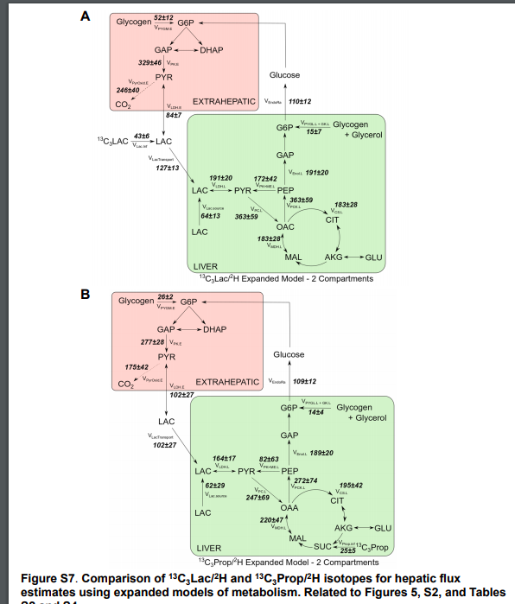
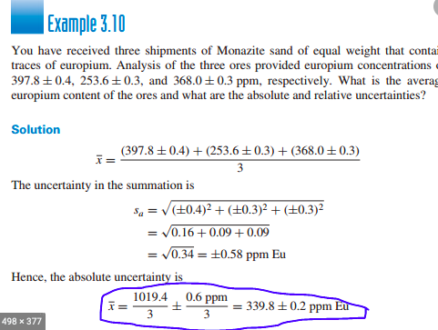
Expanded Model 13C3Prop/2H VS. Lac. |  |  |  |  |  |  |  |  | Source: 2020 paper, supplement S7 (same # as Figure 5 in paper) |  |  |  | Error Propagation for average calculation:
 | Value | Value | Average Value | mmol/gDW*hr | Std. | Std. | Average Error
 | prop | Lac |  |  | Prop | lac
CS.L | 195 | 183 | 189 | 0.002903191236 | 42 | 28 | 25.23885893
Enol.L | 189 | 191 | 190 | 0.002918552036 | 20 | 20 | 14.14213562
PYG.L+GK.L | 14 | 15 | 14.5 | 0.0002227316028 | 4 | 7 | 4.031128874
LDH.L | 164 | 191 | 177.5 | 0.002726542034 | 17 | 20 | 13.12440475
PC.L | 272 | 363 | 317.5 | 0.00487705406 | 69 | 59 | 45.3927307
PCK.L | 272 | 363 | 317.5 | 0.00487705406 | 74 | 59 | 47.32071428
PK+ME.L | 82 | 172 | 127 | 0.001950821624 | 63 | 42 | 37.85828839
EndoRa | 109 | 110 | 109.5 | 0.001682007621 | 12 | 12 | 8.485281374
LacTransport | 102 | 127 | 114.5 | 0.001758811622 | 27 | 13 | 14.98332406
Lac.source | 62 | 64 | 63 | 0.000967730412 | 29 | 13 | 15.89024858
MDH.L | 220 | 183 | 201.5 | 0.003095201238 | 47 | 28 | 27.35415873
Prop.inf | 25 | -- | 25 | 0.0003840200048 | 5 | -- | --

